Introduction
Introduction & Instructions

Dear user. This short Training Needs Assessment spreadsheet has been designed to allow you to identify your current skillset and plan your future development as a researcher. You can use it in any way you want, but below you will find a short guide to get you started.

1. About this tool
The tool is based on the Researcher Development Framework (RDF), which is the national standard for researcher personal development. It contains 63 characteristics (called descriptors) of a good researcher, and this tool allows you to evaluate yourself against them. They are divided into 4 domains (A, B, C and D), and this spreadsheet is structured accordingly. You can read more about the RDF in the RDF tab.

2. How to use this tool
1. Open the tab of domain A or B or C or D (you can see them at the bottom of this window).
2. Look at a descriptor you are interested in and decide which level (between 1-5, with 5 being the highest level) you are at in that particular skill. If you are unsure which level you are at - refer to the RDF, which contains detailed descriptions of what is expected of a researcher at a given level.
3. Click on that level and press any letter on your keyboard. This will produce a symbol - e.g. pressing 'n' will create a small circle. Make sure you do not have more than one marker for a given descriptor.
4. Proceed doing steps 1-3 for all the domains and descriptors you are interested in.
5. When you are finished, go to the Summary sheet, where you'll see your average scores for each domain. You may consider working on those which are below your general average.
Choose descriptor
1.Click
2. Press 'n' (or any other key)

3. What's next?
The process we had in mind when creating this tool was very simple:
1. Use the tool to determine areas you may want to work on
2. Identify ways you can work on these areas
That is why each domain tab contains possible actions you may want to take to work on your skills in a given area. The Institute for Academic Development has also mapped all its courses to the RDF, so if you find you need to work e.g. on subdomain A1, you can go to their website (http://edin.ac/2cDDzAE) and find suitable courses.
Printing/Saving as PDF You can print the entire workbook, for your own reference or e.g. to show it to your supervisor. Just press CTRL+P and make sure you choose Print Entire Workbook when doing it. You can also save the document as PDF, but this process is a little more difficult. Go to File > Save As. Choose the location you want to store the file in. From the Save as type drop-down menu choose PDF. Click on Options. Make sure you tick the 'Entire Workbook', and untick "ISO-19005-1 Compliant (PDF/A)". Then click Save.
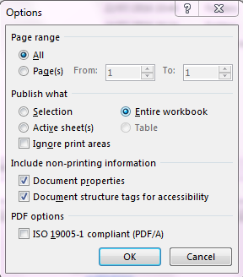

I'm ready - start the assessment

RDF
RDF | Researcher Development Framework
1. About the RDF
The Researcher Development Framework (RDF) was developed in 2010 through interviews with over one hundred senior UK researchers. It contains 63 characteristics (called descriptors) of a good researcher and 5 stages of development in each. The RDF descriptors are grouped into 4 domains (A,B,C,D) and 12 subdomains, and this spreadsheet is structured accordingly - it has been designed to allow you to evaluate your skills against each descriptor and subdomain. If you ever find yourself unsure which level you are at, you can always refer to the RDF itself - it contains detailed explanations of what you are expected to know at each stage. You can download it from http://edin.ac/2c1XDrd. If it sounds complicated at the moment - do not worry, the domain tabs below explain each domain in more detail. Alternatively, you can read more about the RDF at http://edin.ac/2c1X2G5.
2. The RDF wheel
RDF is usually represented graphically on a wheel, like the one below.
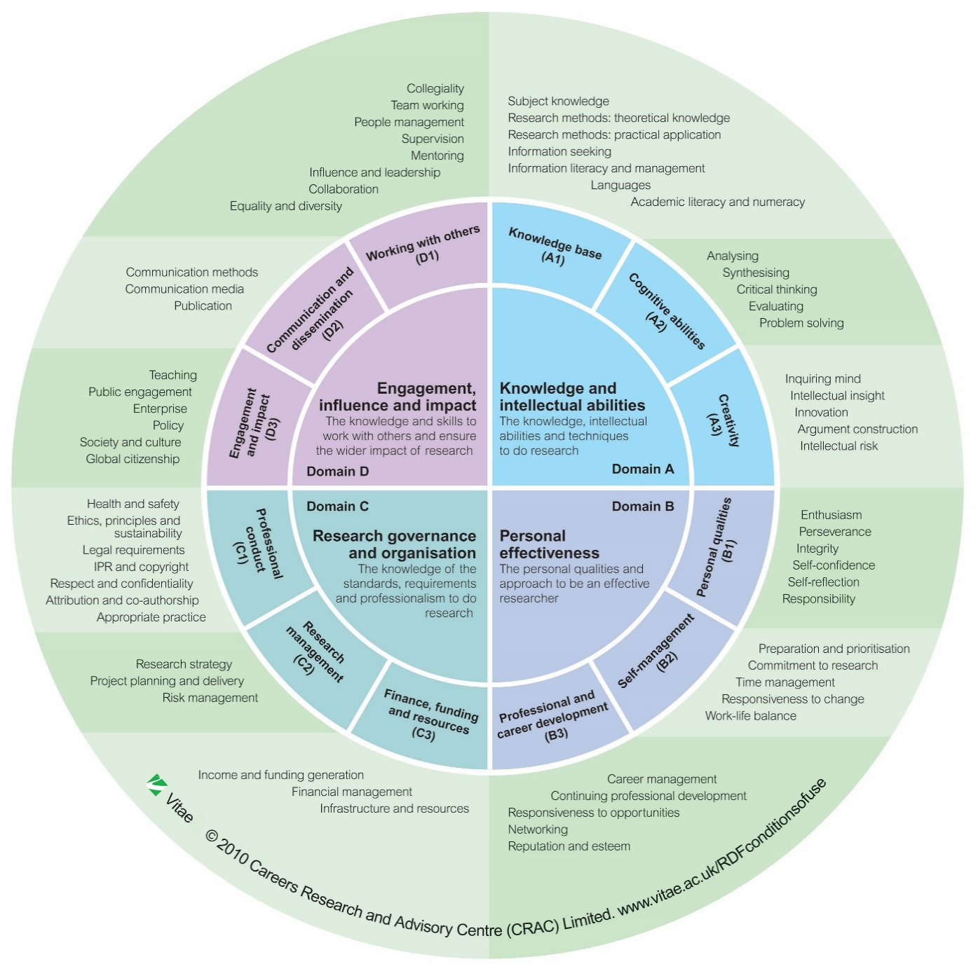

I'm ready - start the assessment

A
Domain A | Knowledge and intellectual abilities

Domain A contains the knowledge and intellectual abilities needed to be able to carry out excellent research. It is divided into three subdomains:

A1 - Knowledge Base
A2 - Cognitive abilities
A3 - Creativity
You will learn most of those during your degree studies and research practice. Some additional activities you may find helpful in developing your domain A skills are:
Attend Conferences - travel to an international conference to develop language skills and creativity
Journal Articles - reading journal acticles from your peers and for your research area, is a great way to improve insight into your subject area
Writing blogs/articles - not just academically, teaches you to express and analyse your thoughts
Academic Consultancy - is a great way to improve your subject knowledge to allow you to provide analysis on policy and research, whilst creating new networks to apply your research
You can find IAD courses which can help you with domain A at
Subject knowledge | 0
Research methods - theoretical knowledge | 0
Research methods - practical application | 0
Information seeking | 0
Information literacy and management | 0
Languages | 0
Academic literacy and numeracy | 0
 | Knowledge base | 1 | 5
A1 | Subject knowledge
 | Research methods - theoretical knowledge
 | Research methods - practical application
 | Information seeking
 | Information literacy and management
 | Languages
 | Academic literacy and numeracy

Analysing | 0
Synthesising | 0
Critical thinking | 0
Evaluating | 0
Problem solving | 0
 | Cognitive abilities
A2 | Analysing
 | Synthesising
 | Critical thinking
 | Evaluating
 | Problem solving

Inquiring mind | 0
Intellectual insight | 0
Innovation | 0
Argument construction | 0
Intellectual risk | 0
 | Creativity
A3 | Inquiring mind
 | Intellectual insight
 | Innovation
 | Argument construction
 | Intellectual risk
Done - go to Domain B

B
Domain B | Personal effectiveness

Domain B contains the personal qualities, career and self-management skills required to take ownership for and control of professional development. Its subdomains are:

B1 - Personal qualities
B2 - Self-management
B3 - Professional and career development
Training in this domain is mostly provided by the Institute of Academic Development. Additional activities you may find helpful are:

Assessing your skills - it's very good practice to review, reflect and plan your personal development
Planning - not just your personal development, but other activities as well - perhaps within your society - this will improve your time management and work-life balance.

Networking - it can help with career management, reputation and self-confidence to attend conferences, welcome events, talks, join societies, etc.

You can find IAD courses which can help you with domain B at www.ed.ac.uk/iad/researcher

Enthusiasm | 0
Perseverance | 0
Integrity | 0
Self-confidence | 0
Self-reflection | 0
Responsibility | 0
 | Personal qualities |  | 1 | 5
B1 | Enthusiasm
 | Perseverance
 | Integrity
 | Self-confidence
 | Self-reflection
 | Responsibility
 |  | 0
Preparation and prioritisation | 0
Commitment to research | 0
Time management | 0
Responsiveness to change | 0
Work-life balance | 0
 | Self-management
B2 | Preparation and prioritisation
 | Commitment to research
 | Time management
 | Responsiveness to change
 | Work-life balance
 |  | 0
Career management | 0
Continuing professional development | 0
Responsiveness to opportunities | 0
Networking | 0
Reputation and esteem | 0
 | Professional and career development
B3 | Career management
 | Continuing professional development
 | Responsiveness to opportunities
 | Networking
 | Reputation and esteem
Done - go to Domain C

C
Domain C | Research governance and organisation

Domain C contains the knowledge of the standards, requirements and professional conduct that are needed for the effective management of research. Its subdomains are:

C1 - Professional conduct
C2 - Research management
C3 - Finance, funding and resources
Much of the training in this domain is provided within Schools/Colleges (Look on your College website for details). There are also some courses offered by the IAD, available at: www.ed.ac.uk/iad/researchers. Some other activities you may find helpful when developing your domain C skills are:

Position in a committee - taking on a committee role within student/staff societies is a great way to develop project planning and financial management skills

Starting a company - A great way to develop your ideas/commercialise your research. Doing this will allow you to learn about IPR and copyright, legal requirements and income and funding generation.
Grant Applications - look at examples of funding applications to get an idea of the things that contribute to successful applications
Policies - familiarise yourself with your College strategy and University policies on Health & Safety, Dignity & Respect, Equality & Diversity, etc.
You can find IAD courses which can help you with domain C at

Health and safety | 0
Ethics, principles and sustainability | 0
Legal requirements | 0
IPR and copyright | 0
Respect and confidentiality | 0
Attribution and co-authorship | 0
Appropriate practice | 0
 | Professional conduct | 1 | 5
C1 | Health and safety
 | Ethics, principles and sustainability
 | Legal requirements
 | IPR and copyright
 | Respect and confidentiality
 | Attribution and co-authorship
 | Appropriate practice

Research strategy | 0
Project planning and delivery | 0
Risk management | 0
 | Research management
C2 | Research strategy
 | Project planning and delivery
 | Risk management

Income and funding generation | 0
Financial management | 0
Infrastructure and resources | 0
 | Finance, funding and resources
C3 | Income and funding generation
 | Financial management
 | Infrastructure and resources

Done - go to Domain D

D
Domain D | Engagement, infulence and impact

Domain D contains the knowledge, understanding and skills needed to engage with, influence and impact on the academic, social, cultural and economic content. Its subdomains are:

D1 - Working with others
D2 - Communication and dissemination
D3 - Engagement and impact
Public Engagement training is available via the Beltane Public Engagement Network (http://www.beltanenetwork.org/), and the also IAD offers some workshops and support in this domain, you can find them at: www.ed.ac.uk/iad/researchers. Some other activities which can aid your development in domain D are:

Teaching/Lecturing - a great way communicate and make people interested in your research
Social media - blogging/posting about your research allows you to reach and impart knowledge on a very large audience
Leading/group work - take any opportunity to work in a group to broaden your knowledge, or maybe ask colleagues for help with a project you are working on. If you want to work on your leadership - take initiative whenever you can
Public Engagement - Consider getting involved in Science festivals, volunteering, Bright Club, 3MT, CoDI, etc., to develop skills in public engagement, communication and society and culture
Collegiality | 0
Team working | 0
People management | 0
Supervision | 0
Mentoring | 0
Influence and leadership | 0
Collaboration | 0
Equality and diversity | 0
 | Working with others | 1 | 5
D1 | Collegiality
 | Team working
 | People management
 | Supervision
 | Mentoring
 | Influence and leadership
 | Collaboration
 | Equality and diversity

Communication methods | 0
Communication media | 0
Publication | 0
 | Communication and dissemination
D2 | Communication methods
 | Communication media
 | Publication

Teaching | 0
Public engagement | 0
Enterprise | 0
Policy | 0
Society and culture | 0
Global citizenship | 0
 | Engagement and impact
D3 | Teaching
 | Public engagement
 | Enterprise
 | Policy
 | Society and culture
 | Global citizenship
I'm finished - take me to my Summary

Summary
Summary

The data below represents a summary of your Training Needs Assessment. The subdomains marked in red are below average, and you may consider working on them. Please do not worry about the exact scores. This exercise is not about mathematics - it was designed to help you think about your skills and plan how you could improve on some of them. Some ways in which you could do that are suggested on the domain pages, but the simplest would probably be to go the the IAD website, and pick courses which concentrate on these domains. You can save this file as PDF or print it for future reference - the instructions are contained in the Introduction section. Thank you for taking the time to complete this. We hope you found it helpful.

A1 | A2 | A3 |  | B1 | B2 | B3

C1 | C2 | C3 |  | D1 | D2 | D3

 |  |  |  |  | Total average:

TNA Results by RDF subdomain
 | Series 1
A1 | 0.0
A2 | 0.0
A3 | 0.0
B1 | 0.0
B2 | 0.0
B3 | 0.0
C1 | 0.0
C2 | 0.0
C3 | 0.0
D1 | 0.0
D2 | 0.0
D3 | 0.0

Key:
A1 - Knowledge Base |  |  | B1 - Personal qualities
A2 - Cognitive abilities |  |  | B2 - Self-management
A3 - Creativity |  |  | B3 - Professional and career development

C1 - Professional conduct |  |  | D1 - Working with others
C2 - Research management |  |  | D2 - Communication and dissemination
C3 - Finance, funding and resources |  |  | D3 - Engagement and impact

